Sheet1
Product Name | Product Pictures |  |  | Packings | Quantity | CTN Measurements(CM) |  |  | CBM/CTN | G.W/CTN(KGS) | CBM | KGS | Unit Price
Computer Desk | 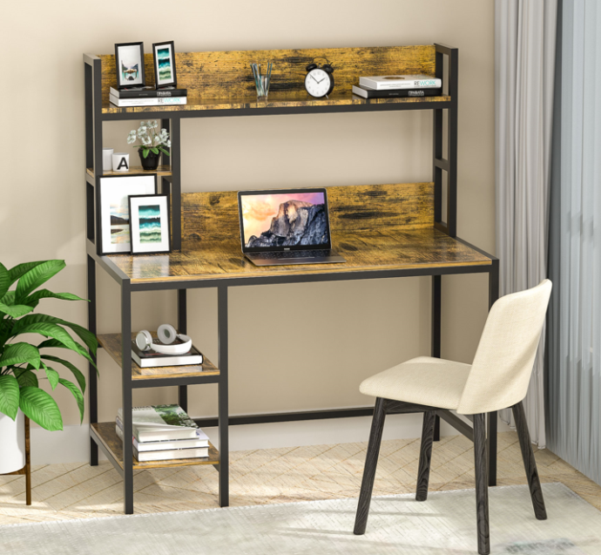 | 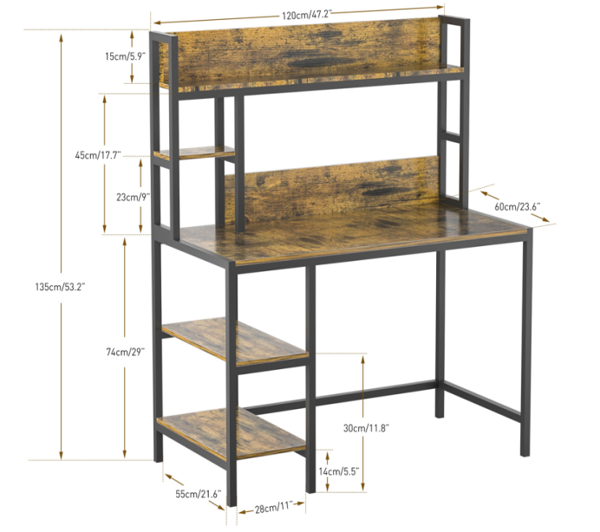 |  | 1 set/ CTN MEAS：127*69*16cm G.W 32.5KG | 613 | 127 | 69 | 16 | 0.140208 | 32.5 | 85.947504 | 19922.5 | US$49.68
L Shaped Computer Desk | 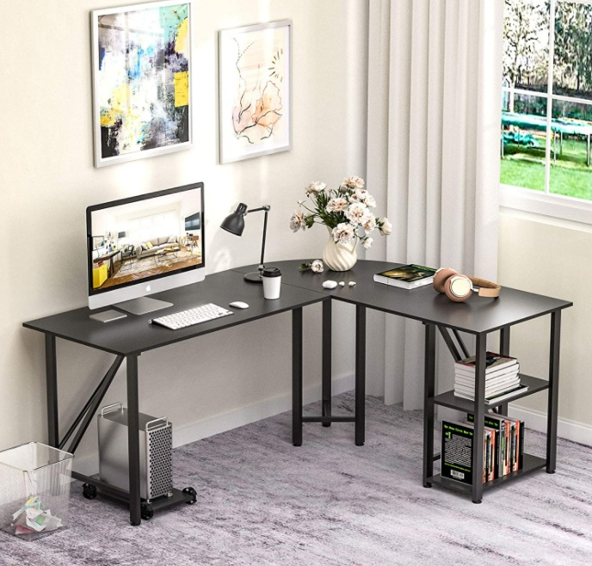 | 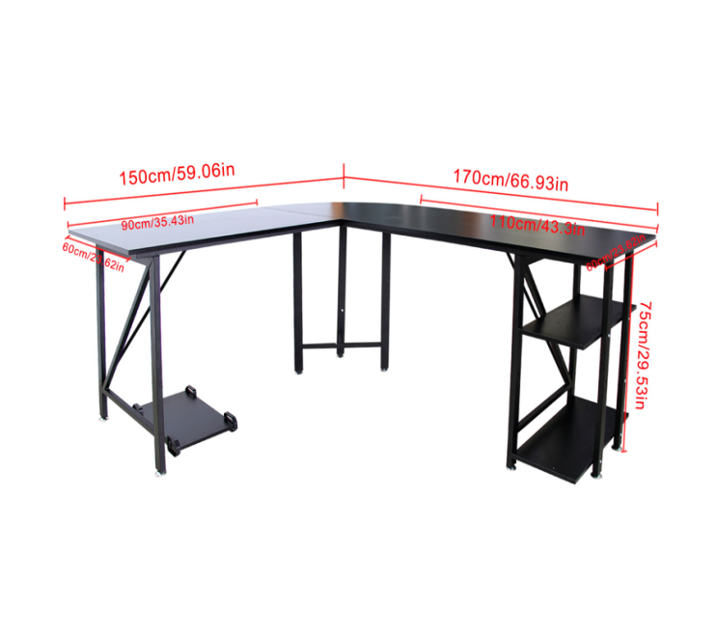 | 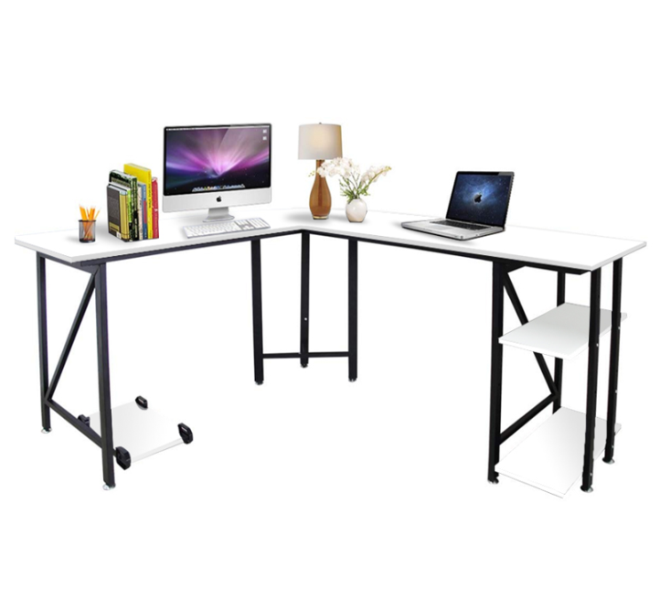 | 1 set/ CTN MEAS：102*67*16cm G.W :27.5KG | 146 | 102 | 67 | 16 | 0.109344 | 27.5 | 15.964224 | 4015 | US$45.71
L Shaped Computer Desk |  |  |  | 1 set/ CTN MEAS：102*67*16cm N.W :27.5KG | 722 | 102 | 67 | 16 | 0.109344 | 27.5 | 78.946368 | 19855 | US$45.71
L Shaped Computer Desk | 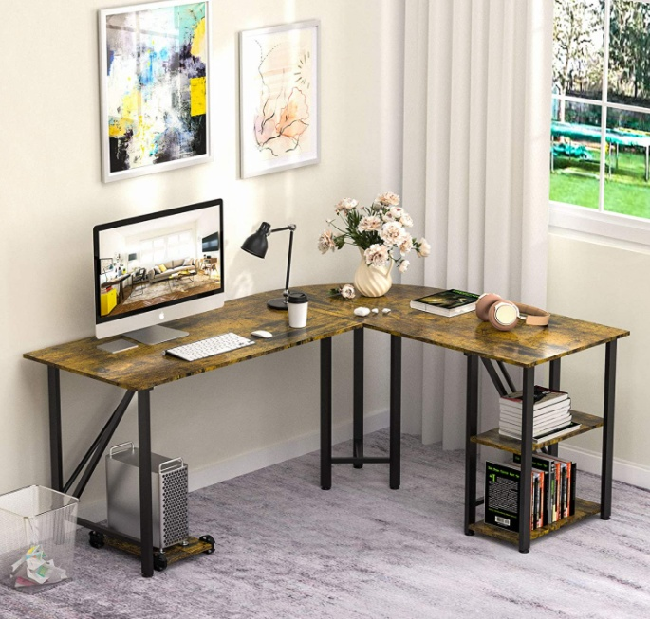 |  |  | 1 set/ CTN MEAS：102*67*16cm N.W :27.5KG | 589 | 102 | 67 | 16 | 0.109344 | 27.5 | 64.403616 | 16197.5 | US$45.71
Computer Desk | 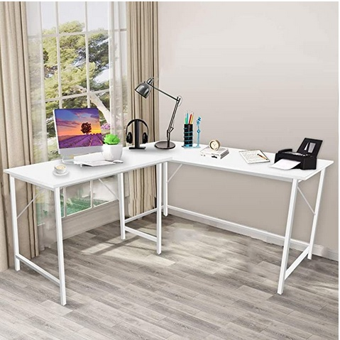 | 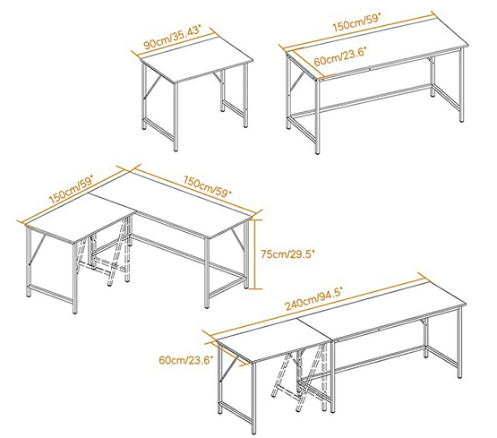 |  | 1 set/ CTN MEAS：160*66*14.5cm G.W :26KG | 794 | 160 | 66 | 14.5 | 0.15312 | 26 | 121.57728 | 20644 | US$44.92
Computer Desk |  |  |  | 1 set/ CTN MEAS：160*66*14.5cm G.W :26KG | 238 | 160 | 66 | 14.5 | 0.15312 | 26 | 36.44256 | 6188 | US$44.92
Gaming Desk | 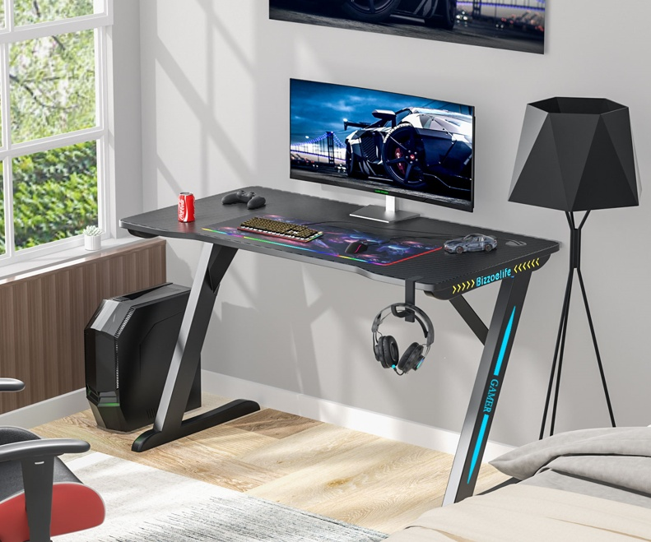 | 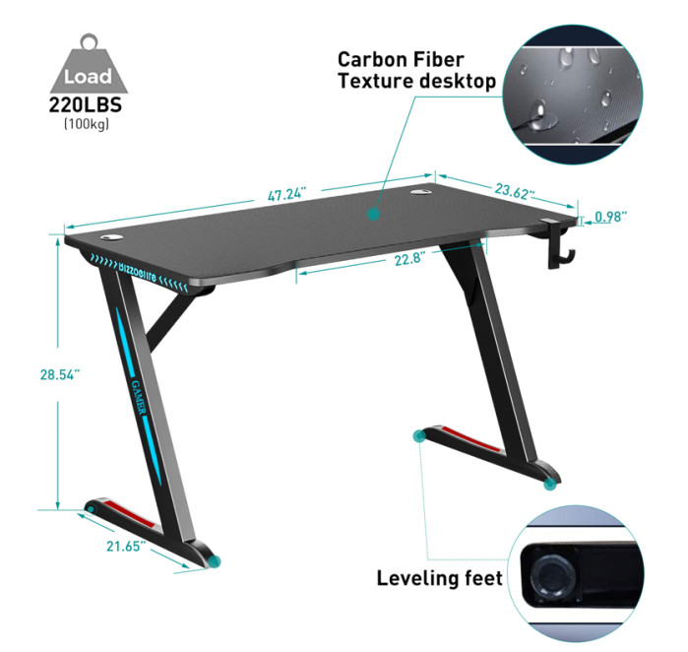 |  | 1Set/CTN MEAS：150*65.5*11.3cm G.W：29.5KG | 235 | 150 | 65.5 | 11.3 | 0.1110225 | 29.5 | 26.0902875 | 6932.5 | US$41.75
Mutilfunctional Movable Computer 180*40*90cm | 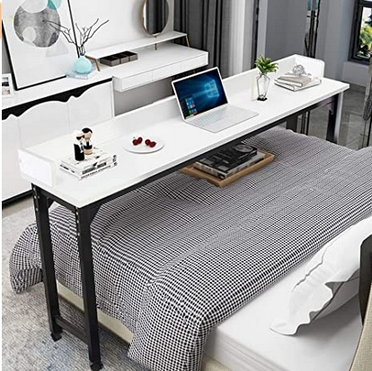 | 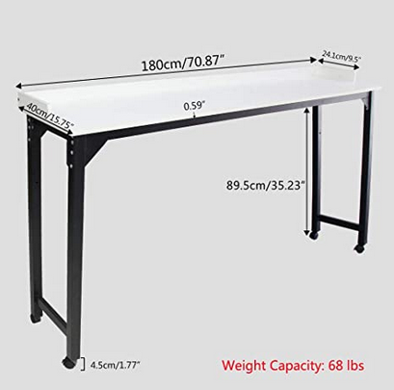 |  | 1set/CTN MEAS：189*46*10cm G.W:16KG | 116 | 189 | 46 | 10 | 0.08694 | 16 | 10.08504 | 1856 | US$38.57
Mutilfunctional Movable Computer 180*40*90cm | 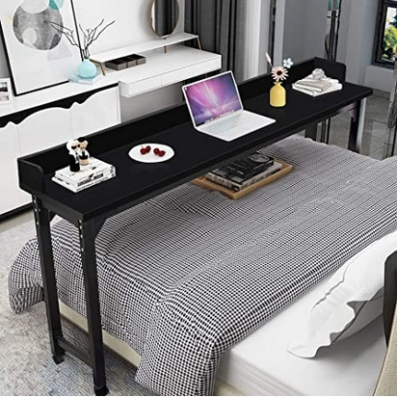 | 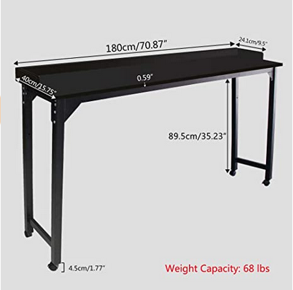 |  | 1set/CTN MEAS：189*46*10cm G.W:16KG | 304 | 189 | 46 | 10 | 0.08694 | 16 | 26.42976 | 4864 | US$38.57
 |  |  |  |  | 3757 |  |  |  |  |  | 465.8866395 | 100474.5

